Bug Report1
Bug ID:
Bug name:
Description:
Steps to reproduce:

Expected result:
Actual result:
Environment:
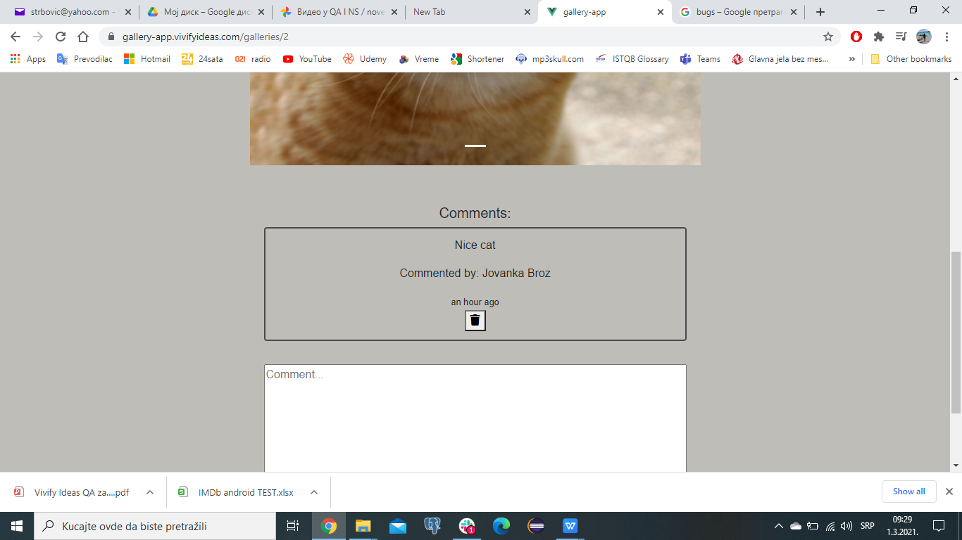
Screenshot:

Assing to: | developer no1
Repro rate: | 100%
Priority : | low
Severity: | low

